BOM
Item | Part Number | Thumbnail | QTY | Stock Number | Description | REV
1 | X_Carriage_Plate | 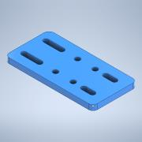 | 1
2 | 11mm_BearingWheel | 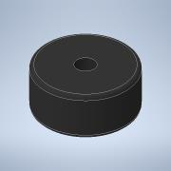 | 4
3 | 4mm_Roller_Spacer_simple | 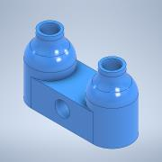 | 2
4 | hex spacer standoff nut M5 L30 | 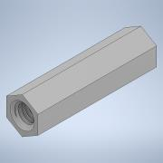 | 1 |  | STEP AP203 | ANYUNSPECIFIED
5 | Bolt M5 30mm | 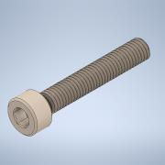 | 2
6 | Bolt M5 45mm | 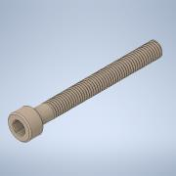 | 4
7 | Nut M5 | 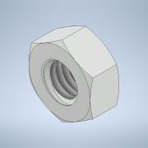 | 2

